Sheet1
Issue name | Issue Details
New Tab Desplay | 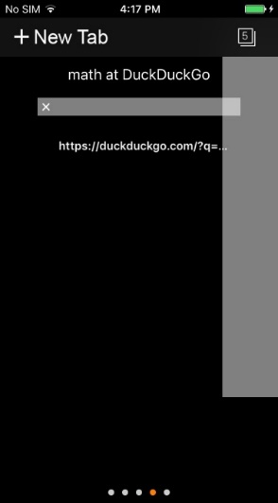 1.Take more than 1 or 2 tab,search something in each tab. Close the app and open again , click tab and the scean will be like. 2.take 5 tab and search anything in each tab.now quit from bacground and repoen the app.the last 4 pages hold the their last search url and their reload button dont work but the 1st tab shows the apps default page and its reload buuton works.
NewFolder in Bookmark | In new folder of bookmark, the bookmarklist sign doesnot work.

